USA
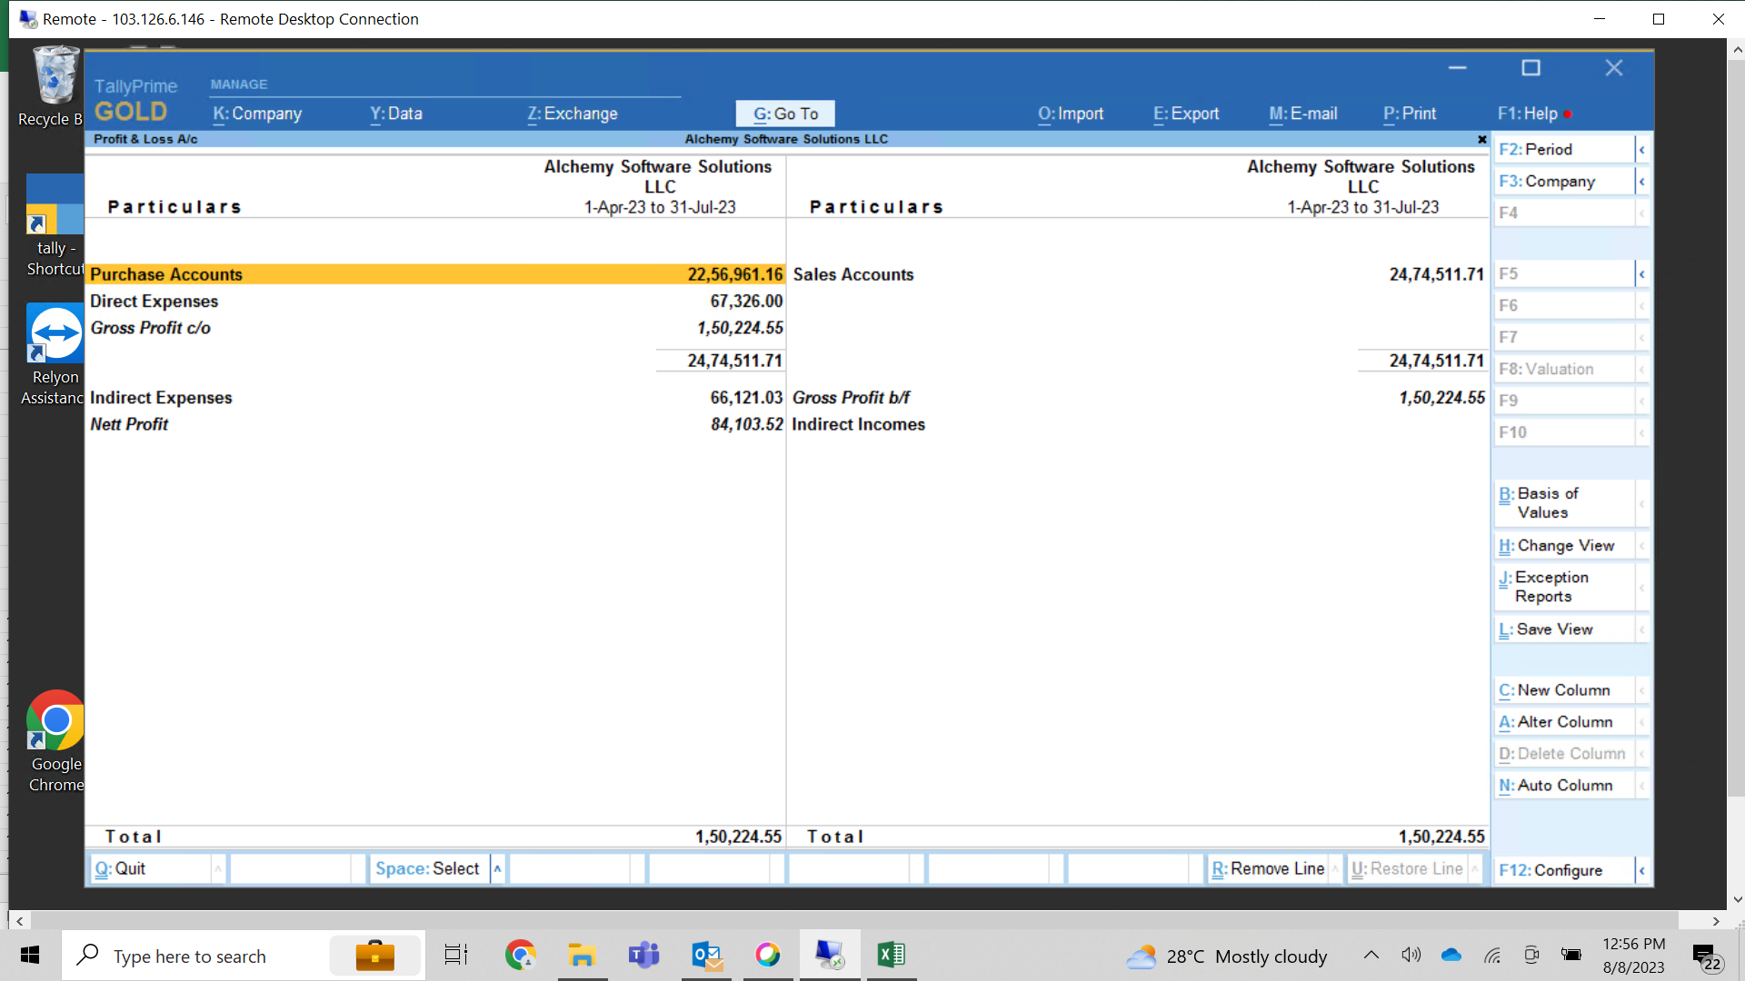
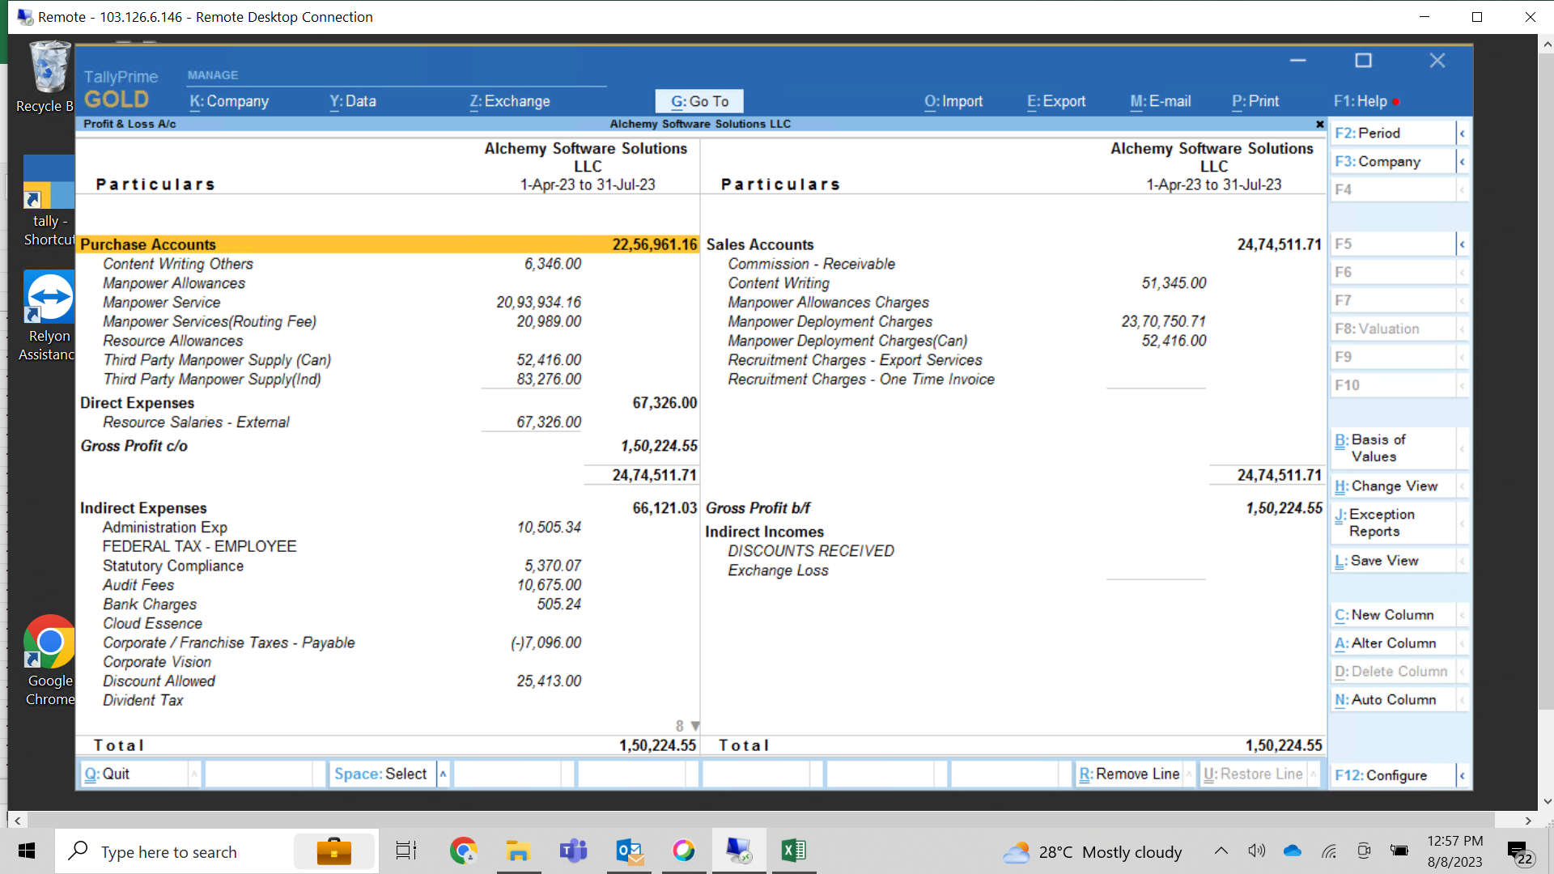
SL. No | STRATEGIC ACCOUNTS

1 | HCL
2 | Virtusa
3 | Emids
4 | GAP Inc
5 | Blue Cloud
6 | Mphasis
 | Mphasis | Onetime

 | TOTAL
 | Per Hour
 | SG&D Exp from India
 | Salaries
 | Rent
 | Other Exp | Portal
 | Team Incentive
 | SG&D Exp from USA
 | Payroll Charges
 | Portal Exp
 | Rental & Deposit
 | Bank Charges
 | BGV Charges
 | Insurance
 | Audit Fees
 | Rates & Taxs (Franchise)
 | Miscl Exp

 | Total Exp
PBT
 | Funding Cost
EBDITA
 | Less : Corp Tax | 21%+7%
PAT

